0. Instructions
ONTC Ticketing System Solution RFP No. 2024 034 - Proposal Pricing Instructions
General Instructions
- Any areas in light green are for you to fill in. Other areas (grey / white / etc.) should not be changed. See image below for a cell example.

- There are a total of 6 tabs within this workbook for you to fill out.
- You may add additional rows as required. Please ensure that the formulas pick up your changes.
- A pricing narrative may be provided in addition to this document for further context.
- Proponents must NOT include pricing in their Proposal. Including price information in any file other than Appendix B - Pricing Schedule or Part 2 - Summary of Requirements - Section D - SubSection 1.2 – Pricing Narrative, will result in rejection of submission.
- Year 0 means any fees payable upon execution of the contract.

Completing 1. Software Costs Sheet
- In this sheet, please indicate your software related costs for Year 0 to Year 5, including the item name, associated SKU, license type, and metric. The quantity and unit price column allows you to provide further context for the annual costs. The annual cost columns must be manually populated. - Please indicate any notes and assumptions related to your line item costs.

Completing 2. Resource Rate Sheet
- In this sheet, please indicate your proposed resource roles and associated hourly rates for those roles. - Under the "Role" column (C), indicate the role of your resource. In the following "Mapped to Key Role" column (D), please indicate which of the key resource roles your resource maps to. There are 7 key roles as indicated in "Section 4: Project Governance and Resourcing" within the ONTC RFP. If your resource does not map to a key role described in the RFP, please indicate the resource as a "non-key resource". - Please indicate if the resource is an Offshore resource in the Offshore column (F), using a Y or N. - Any additional notes or assumptions can be provided in Column H - "Notes and Assumptions".

Completing 3. Implementation Costs Sheet
- In this sheet, detail your estimated price for each Phase and Deliverable/Initiative you are proposing. Please indicate all assumptions used in calculating the price. Additional rows may be added as required; ensure that formulas include all additional rows. - Column G: Estimated Range allows you to indicate the estimated variance range of your estimated price. Please only provide a percentage in Column G. This percentage is used to calculate a Low Range and High Range value of your indicated estimated price. For example, on a line item that totals $2,000.00, an estimated range of 5% would equate to a Low Range estimate of $1,900.00 and a High Range estimate of $2,100.00. This is shown in the example below.
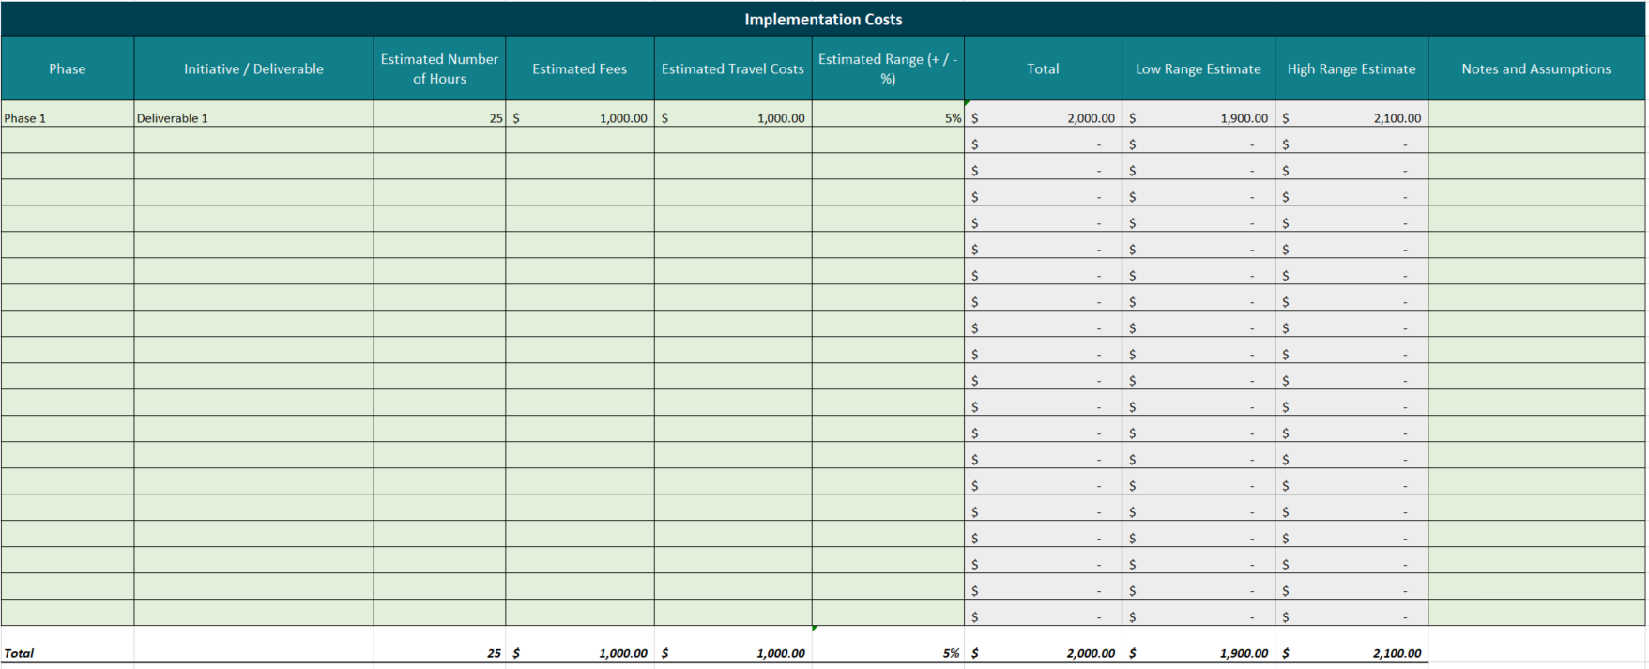

Completing 3a. Implementation Costs - 5y Sheet
- In this sheet, please detail all of your proposed implementation costs over a 5 year period. This is an annual summarized view of the line item costs in the previous "Implementation Costs" sheet. The total amount from the previous "4. Implementation Costs" sheet should equal the 5 year subtotal in this sheet.
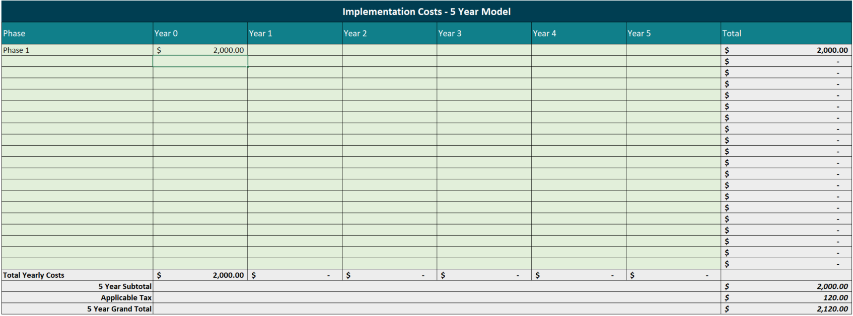

This number should be equal to the grand total number in Column H of the "3. Implementation Costs" worksheet.

Completing 4. Support & Maintenance Costs Sheet
- In this sheet, detail any proposed Support, Maintenance or On-going costs. Please indicate all assumptions used in calculating the price. Additional rows may be added as required; ensure that formulas include all additional rows. - Column G: Estimated Range allows you to indicate the estimated variance range of your estimated price. Please only provide a percentage in Column G. This percentage is used to calculate a Low Range and High Range value of your indicated estimated price. For example, on a line item that totals $7,000.00, an estimated range of 5% would equate to a Low Range estimate of $6,650.00 and a High Range estimate of $7,350.00. This is shown in the example below.
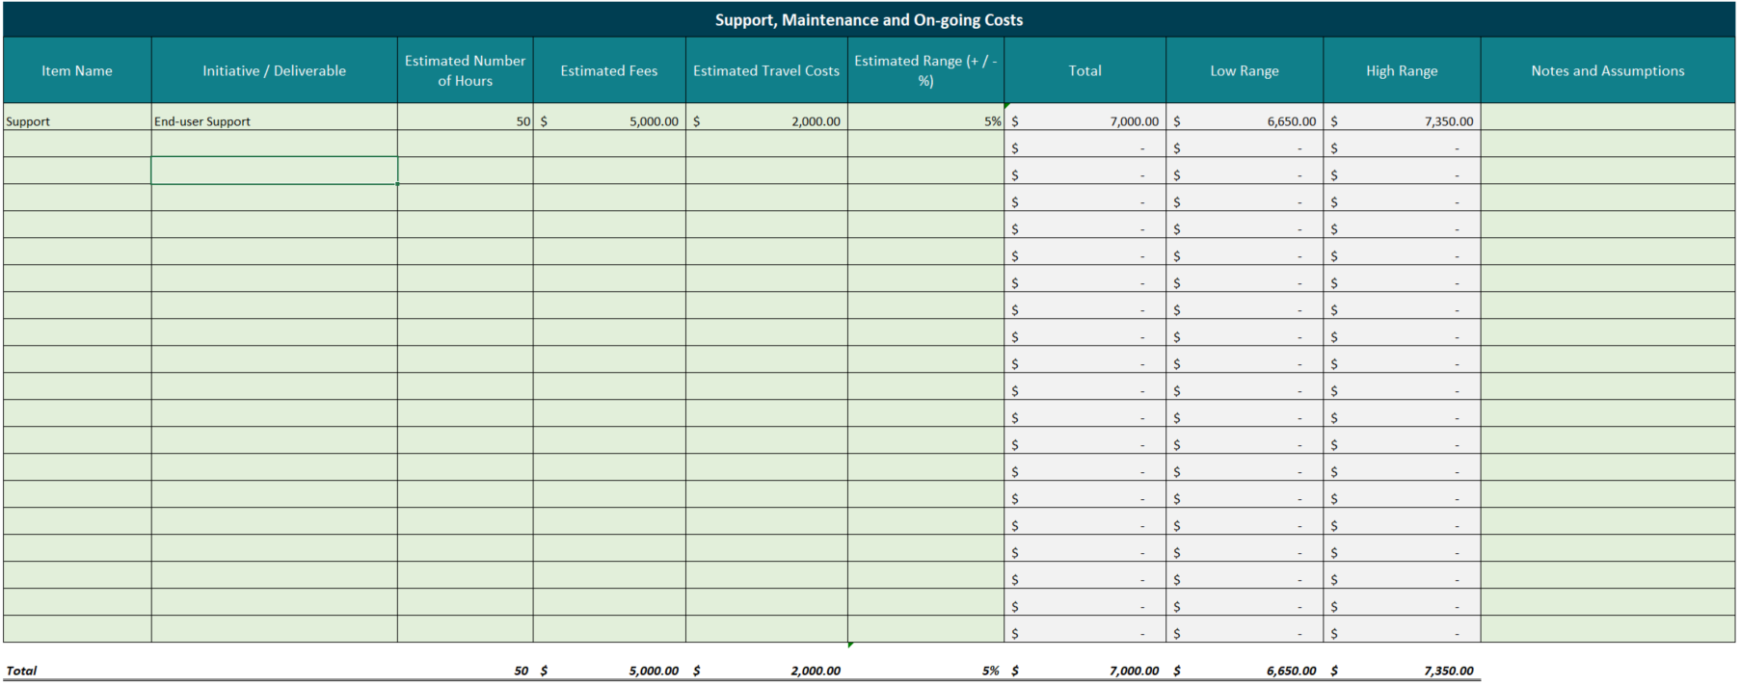

Completing 4a. Support & Maintenance 5yr Model
- In this sheet, please detail all of your proposed Support, Maintenance or On-going costs over a 5 year period. This is an annual summarized view of the line item costs in the previous "4. Support & Maintenance Costs" sheet. The total amount from the previous "4. Support & Maintenance Costs" sheet should equal the 5 year subtotal in this sheet.

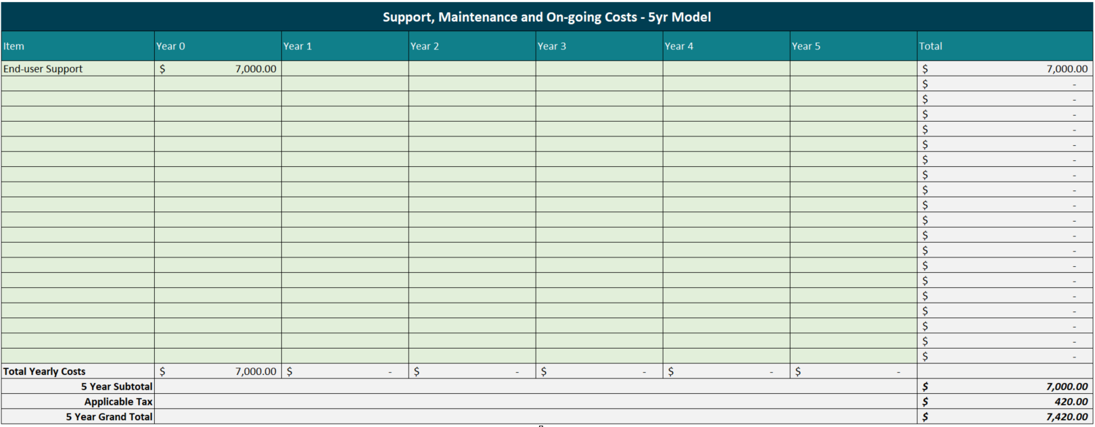

This number should be equal to the grand total number in Column H of the "4. Support & Maintenance Costs" worksheet.

